ER diagram
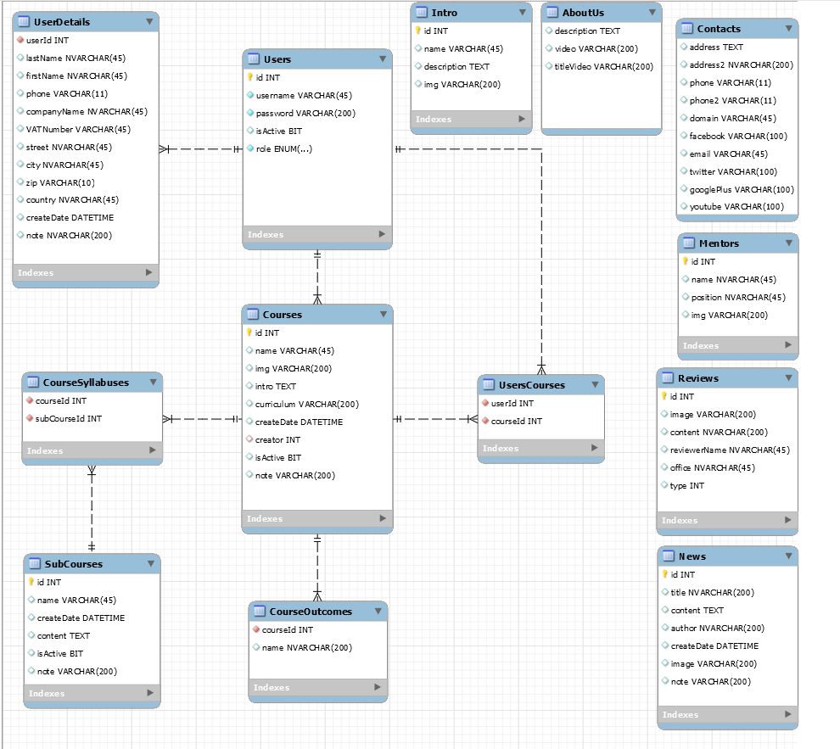
System/Application Name | Document | Sheet Name | Created Date | Creator | Updated Date | Updater
<sub_project_name> | Database Design | ER diagram | 2020-06-30 | thanh.nguyeduc | 2020-07-02 | xxx

